Sarvesh - Survey
S.No | Author name and Year | Ttitle of the Paper | Methods | Results | Significance | Data
1 | Jianchong Sun . Et al., 2022 | Data-driven models for accurate groundwater level prediction and their practical significance in groundwater management | Using ARIMA, LSTM and BPANN. And their results were analysed with the comparison of their RMSE values | LSTM proved to be making better results than the other two | 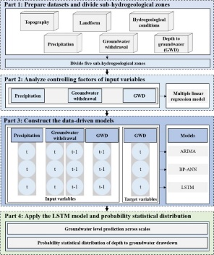
2 | Nikunja B Dash, Et.al, 2010 | Hybrid neural modeling for groundwater level prediction | develop a hybrid neural model (ANN-GA) employing an artificial neural network (ANN) model in conjunction with famous optimization strategy called genetic algorithms (GA) for accurate prediction of groundwater levels in the lower Mahanadi river basin of Orissa State, India. Three types of functionally different algorithm-based ANN models (viz. back-propagation (GDX), Levenberg–Marquardt (LM), and Bayesian regularization (BR)) were used to compare the strength of proposed hybrid model in the efficient prediction of groundwater fluctuations. | one could classify that the effectiveness of training algorithms in ANN-based groundwater level prediction is in the form of BR > GDX > LM with efficiency values 79.4, 78.5, and 75.6%, respectively. In the Table 3, one could also note that the learning ability of LM model is higher than that of GDX and BR.
3 | Pu-Yun-Kow, ET.al, 2024 | Watershed groundwater level multistep ahead forecasts by fusing convolutional-based autoencoder and LSTM models | By Fusion od Auto Encoders with LSTM | he comparative results demonstrate that the ConvAE-LSTM has provided better results than HRV-light and LSTM |  | Authors Donot have the permission to share the data

